Inputs
 |  |  | PROPERTY NUMBERS |  |  |  |  |  | ASSUMPTIONS
 |  |  | Fill in the Green Cells
PROPERTY INFORMATION |  |  |  |  |  |  |  | PROPERTY TERMS
 | Property Address: |  | Akron OH |  |  |  |  |  | Management Fee: | 10% | % of Rents
 | Purchase Price: |  | $145,000 |  |  |  |  |  | Property Tax Rate: | 1.10% | % of Price
 | % Down Payment: |  | 30% |  |  |  |  |  | Appreciation Growth: | 3% | Annual
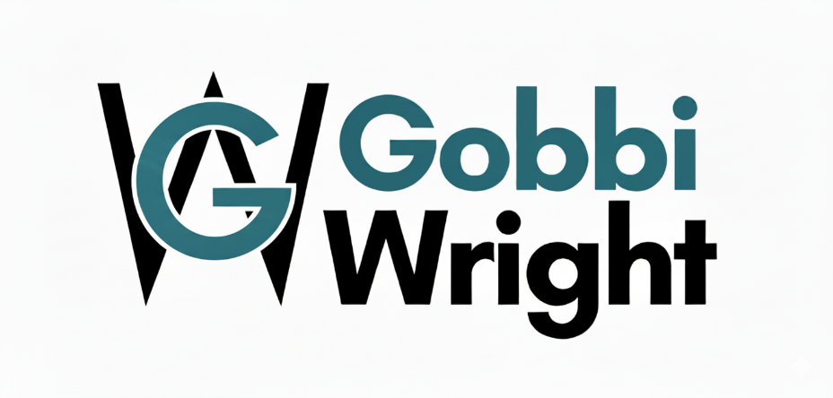
 | Estimated Rents: |  | $2,068 |  |  |  |  |  | Maintenance Estimate: | 2% | % of Rents
 | Down Payment: |  | $43,500 |  |  |  |  |  | Closing Costs: | 2.0% | % of Price
 | Insurance: |  | $430 | Annual Payment

 | Estimated Repairs: |  | $0 | Repairs to prepare to rent. |  |  |  | LOAN TERMS
 | Reserves to Hold: |  | $10,000 | Reserves to hold after close. |  |  |  |  | Interest Rate: | 7.00%
 | Estimated Closing Costs: |  | $2,900 |  |  |  |  |  | Loan Term (Yrs): | 30

MONTHLY EXPENSE ESTIMATE |  |  |  |  |  |  |  |  |  |  |  |  | www.GobbiWright.com
 | Utilities: |  | $50 | Monthly Payment
 | HOA & Other: |  | $0 | Monthly Payment
 | Property Management: |  | $207
 | Repairs & Maintenance: |  | $41
 | Monthly Expenses: |  | $248

TAX & INSURANCE | insurance: |  | $36 | Monthly Payment
 | Property Tax: |  | $133 | Monthly Payment
 | Tax & Insurance Payment: |  | $169

 |  |  |  |  |  | ORIGINAL PORTFOLIO
 |  |  | Value | Debt |  |  | annual |  |  | Rents | Cash Requirements | annual
EQUITY: | $43,500 |  | $145,000 | #N/A |  | Rent | $24,816 |  | Expenses | $2,978 |  | $0
Cash Flow %: | 47% |  |  | $101,500 |  | Expenses | $2,978 |  | PITI | $10,128 |  | $0
DCR: | 2.16 |  |  |  |  | PITI | $10,128 |  | Cash Flow | $11,710 |  | $0
 |  |  |  |  |  | Cash Flow | $11,710 |  |  | #N/A |  | $0
 |  |  |  |  |  |  |  |  | Down Payment | #N/A | $43,500
 |  |  |  |  |  |  |  |  | Closing & Repairs | #N/A | $2,900
 |  |  |  |  |  |  |  |  | Reserves | #N/A | $10,000

 |  |  | PROPERTY 1

 | Year | Month | Starting Balance | Payment | Interest | Principle | Annual Interest Expense | Annual Equity Growth |  |  |  | Annual Interest Expense
 | 0 | 1 | $101,500.00 | $675.28 | $592.08 | $83.20
 |  | 2 | $101,416.80 | $675.28 | $591.60 | $83.68
 |  | 3 | $101,333.12 | $675.28 | $591.11 | $84.17
 |  | 4 | $101,248.95 | $675.28 | $590.62 | $84.66
 |  | 5 | $101,164.28 | $675.28 | $590.12 | $85.16
 |  | 6 | $101,079.12 | $675.28 | $589.63 | $85.65
 |  | 7 | $100,993.47 | $675.28 | $589.13 | $86.15
 |  | 8 | $100,907.32 | $675.28 | $588.63 | $86.66
 |  | 9 | $100,820.66 | $675.28 | $588.12 | $87.16
 |  | 10 | $100,733.50 | $675.28 | $587.61 | $87.67
 |  | 11 | $100,645.83 | $675.28 | $587.10 | $88.18
 |  | 12 | $100,557.65 | $675.28 | $586.59 | $88.70 | $7,072.34 | $1,031.05 |  |  |  | $0.00

Outputs
Value | $145,000
Debt | #N/A | $101,500
 | Expenses | PITI | Cash Flow | Down Payment | Closing & Repairs | Reserves
Rents | 2977.92 | 10128.384391 | 11709.695609 | #N/A | #N/A | #N/A
Cash Requirements |  |  |  | $43,500 | $2,900 | $10,000
PROPERTY EVALUATION
 |  | MONEY NEEDED | $56,400 |  | ANNUAL RETURNS | $17,091
 | Down Payment |  | $43,500 | Cash Flow |  | $11,710
 | Closing Costs & Repairs |  | $2,900 | Appreciation |  | $4,350
 | Reserves |  | $10,000 | Loan Paydown |  | $1,031

 |  |  |  |  |  |  | www.GobbiWright.com
 |  | MONTHLY CASH FLOW | $976 |  | RETURN METRICS
 | Expenses |  | $248 | Return on Investment | (ROI) | 30.3%
 | Loan, Taxes & Insurance | (PITI) | $844 | Debt Coverage Ratio | (DCR) | 2.16
 | Gross Rents |  | $2,068 | Cash Flow % |  | 47.2%

